data
x_axis | y_axis
2029 | 0.014450867052
2030 | 0.023121387283
2031 | 0.028901734104
2032 | 0.031791907514
2033 | 0.040462427746
2034 | 0.046242774567
2035 | 0.046242774567
2036 | 0.052023121387
2037 | 0.057803468208
2038 | 0.063583815029
2039 | 0.066473988439
2040 | 0.078034682081
2041 | 0.083815028902
2042 | 0.092485549133
2043 | 0.10115606936
2044 | 0.10404624277
2045 | 0.1098265896
2046 | 0.11849710983
2047 | 0.12138728324
2048 | 0.12716763006
2049 | 0.13294797688
2050 | 0.13583815029
2051 | 0.14161849711
2052 | 0.14739884393
2053 | 0.15606936416
2054 | 0.15895953757
2055 | 0.1676300578
2056 | 0.17630057803
2057 | 0.18208092486
2058 | 0.18786127168
2059 | 0.1936416185
2060 | 0.20231213873
2061 | 0.21098265896
2062 | 0.21965317919
2063 | 0.22543352601
2064 | 0.23121387283
2065 | 0.24277456647
2066 | 0.24566473988
2067 | 0.25433526012
2068 | 0.26011560694
2069 | 0.26589595376
2070 | 0.2774566474
2071 | 0.28323699422
2072 | 0.29190751445
2073 | 0.29768786127
2074 | 0.3063583815
2075 | 0.31213872832
2076 | 0.31791907514
2077 | 0.32658959538
2078 | 0.32947976879
2079 | 0.33526011561
2080 | 0.34393063584
2081 | 0.35260115607
2082 | 0.3612716763
2083 | 0.37283236994
2084 | 0.37861271676
2085 | 0.38728323699
2086 | 0.39595375723
2087 | 0.39884393064
2088 | 0.40751445087
2089 | 0.41329479769
2090 | 0.42485549133
2091 | 0.43641618497
2092 | 0.44797687861
2093 | 0.45664739884
2094 | 0.46531791908
2095 | 0.47687861272
2096 | 0.48843930636
2097 | 0.5
2098 | 0.51156069364
2099 | 0.51156069364

picture
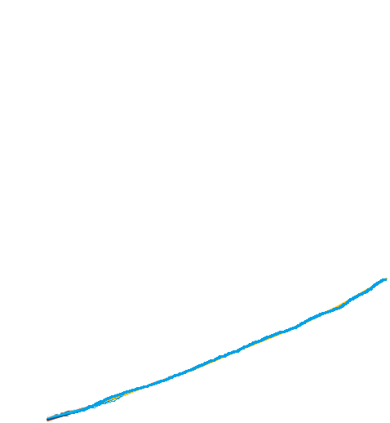

picture_original
